COV
Week # | Growth | Value | Dev Growth | Dev Value | Product |  | Growth | Value
1 | 0.63% | -1.37% | 0.0114 | -0.0186 | -0.0002
2 | -12.31% | 0.54% | -0.1181 | 0.0005 | -0.0001 | COV | 0.0012
3 | -3.48% | 4.61% | -0.0297 | 0.0412 | -0.0012 | CORRELATION | 0.44805
4 | 5.26% | -5.69% | 0.0577 | -0.0618 | -0.0036
5 | 6.99% | 8.15% | 0.0749 | 0.0766 | 0.0057 | MANUAL
6 | -2.31% | -5.80% | -0.0180 | -0.0630 | 0.0011
7 | -4.25% | 4.98% | -0.0374 | 0.0448 | -0.0017 | STDEV | 0.05798789928 | 0.04804851182
8 | -3.19% | 4.62% | -0.0268 | 0.0412 | -0.0011
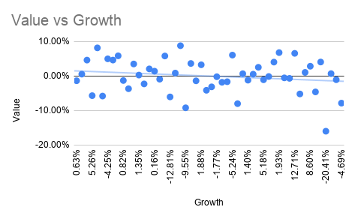
9 | 4.50% | 5.85% | 0.0501 | 0.0535 | 0.0027
10 | 0.82% | -1.30% | 0.0133 | -0.0180 | -0.0002
11 | -2.14% | -3.68% | -0.0163 | -0.0418 | 0.0007
12 | -6.24% | 3.49% | -0.0573 | 0.0299 | -0.0017
13 | 1.35% | 0.27% | 0.0186 | -0.0022 | 0.0000
14 | 4.77% | -2.29% | 0.0528 | -0.0278 | -0.0015
15 | 4.90% | 2.06% | 0.0540 | 0.0157 | 0.0008
16 | 0.16% | 1.40% | 0.0067 | 0.0090 | 0.0001
17 | -7.31% | -0.92% | -0.0681 | -0.0142 | 0.0010
18 | -3.61% | 5.80% | -0.0310 | 0.0531 | -0.0016
19 | -12.81% | -6.05% | -0.1231 | -0.0655 | 0.0081
20 | 5.29% | 0.86% | 0.0579 | 0.0036 | 0.0002
21 | 6.31% | 8.79% | 0.0682 | 0.0829 | 0.0057
22 | -9.55% | -9.21% | -0.0904 | -0.0970 | 0.0088
23 | 1.75% | 3.63% | 0.0225 | 0.0314 | 0.0007
24 | -5.89% | -1.39% | -0.0539 | -0.0189 | 0.0010
25 | 1.88% | 3.26% | 0.0239 | 0.0276 | 0.0007
26 | -0.37% | -4.13% | 0.0014 | -0.0463 | -0.0001
27 | -1.04% | -3.14% | -0.0053 | -0.0363 | 0.0002
28 | -1.77% | -0.21% | -0.0126 | -0.0070 | 0.0001
29 | 1.54% | -1.81% | 0.0204 | -0.0231 | -0.0005
30 | 0.08% | -1.65% | 0.0058 | -0.0215 | -0.0001
31 | -5.24% | 6.06% | -0.0474 | 0.0557 | -0.0026
32 | -0.13% | -8.01% | 0.0037 | -0.0850 | -0.0003
33 | 1.19% | 0.66% | 0.0170 | 0.0017 | 0.0000
34 | 1.40% | -1.20% | 0.0191 | -0.0170 | -0.0003
35 | 1.06% | 0.53% | 0.0156 | 0.0003 | 0.0000
36 | 4.68% | 2.53% | 0.0518 | 0.0203 | 0.0011
37 | 5.18% | -1.08% | 0.0568 | -0.0158 | -0.0009
38 | 3.68% | -0.14% | 0.0418 | -0.0064 | -0.0003
39 | -3.98% | 4.03% | -0.0347 | 0.0353 | -0.0012
40 | 1.93% | 6.78% | 0.0244 | 0.0629 | 0.0015
41 | 1.96% | -0.53% | 0.0246 | -0.0103 | -0.0003
42 | -5.46% | -0.67% | -0.0495 | -0.0117 | 0.0006
43 | 12.71% | 6.57% | 0.1322 | 0.0607 | 0.0080
44 | 4.20% | -5.19% | 0.0471 | -0.0569 | -0.0027
45 | 3.94% | 1.05% | 0.0445 | 0.0056 | 0.0002
46 | 8.60% | 2.84% | 0.0911 | 0.0234 | 0.0021
47 | 0.57% | -4.61% | 0.0108 | -0.0510 | -0.0006
48 | 0.87% | 4.06% | 0.0138 | 0.0356 | 0.0005
49 | -20.41% | -15.99% | -0.1990 | -0.1649 | 0.0328
50 | -3.17% | 0.69% | -0.0267 | 0.0019 | -0.0001
51 | 3.95% | -1.07% | 0.0446 | -0.0156 | -0.0007
52 | -4.69% | -7.86% |  | -0.0835 | 0.0000

Regression
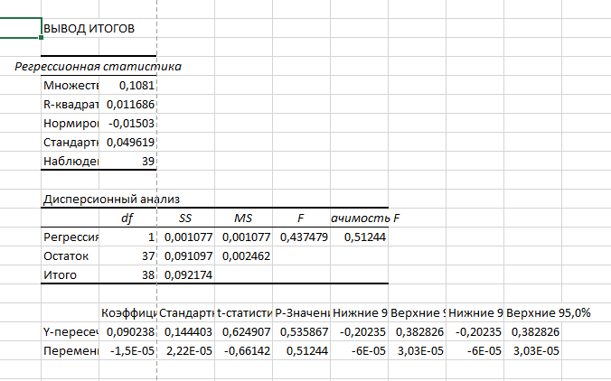
Week # | GSPS | WEEKLY RETURN FOR ZEBRA | WEEKLY RETURN FOR STARBUCKS | REGRESSION FOR ZEBRA
1 | 6939.03 | 0.01 | -0.01
2 | 6915.61 | -0.12 | 0.01
3 | 6940.01 | -0.03 | 0.05
4 | 6966.28 | 0.05 | -0.06
5 | 6858.47 | 0.07 | 0.08
6 | 6929.94 | -0.02 | -0.06
7 | 6834.5 | -0.04 | 0.05
8 | 6827.41 | -0.03 | 0.05
9 | 6870.4 | 0.05 | 0.06
10 | 6849.09 | 0.01 | -0.01
11 | 6602.99 | -0.02 | -0.04
12 | 6734.11 | -0.06 | 0.03
13 | 6728.8 | 0.01 | 0.00
14 | 6840.2 | 0.05 | -0.02
15 | 6791.69 | 0.05 | 0.02
16 | 6664.01 | 0.00 | 0.01
17 | 6552.51 | -0.07 | -0.01
18 | 6715.79 | -0.04 | 0.06
19 | 6643.7 | -0.13 | -0.06
20 | 6664.36 | 0.05 | 0.01
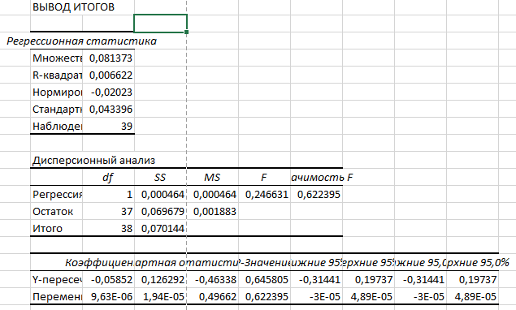
21 | 6584.29 | 0.06 | 0.09 | REGRESSION FOR STARBUCKS
22 | 6481.5 | -0.10 | -0.09
23 | 6460.26 | 0.02 | 0.04
24 | 6466.91 | -0.06 | -0.01
25 | 6449.8 | 0.02 | 0.03
26 | 6389.45 | 0.00 | -0.04
27 | 6238.01 | -0.01 | -0.03
28 | 6388.64 | -0.02 | 0.00
29 | 6296.79 | 0.02 | -0.02
30 | 6259.75 | 0.00 | -0.02
31 | 6279.35 | -0.05 | 0.06
32 | 6173.07 | 0.00 | -0.08
33 | 5967.84 | 0.01 | 0.01
34 | 5976.97 | 0.01 | -0.01
35 | 6000.36 | 0.01 | 0.01
36 | 5911.69 | 0.05 | 0.03
37 | 5802.82 | 0.05 | -0.01
38 | 5958.38 | 0.04 | 0.00
39 | 5659.91 | -0.04 | 0.04
40 |  | 0.02 | 0.07
41 |  | 0.02 | -0.01
42 |  | -0.05 | -0.01
43 |  | 0.13 | 0.07
44 |  | 0.04 | -0.05
45 |  | 0.04 | 0.01
46 |  | 0.09 | 0.03
47 |  | 0.01 | -0.05
48 |  | 0.01 | 0.04
49 |  | -0.20 | -0.16
50 |  | -0.03 | 0.01
51 |  | 0.04 | -0.01
52 |  | -0.05 | -0.08

